How to solve
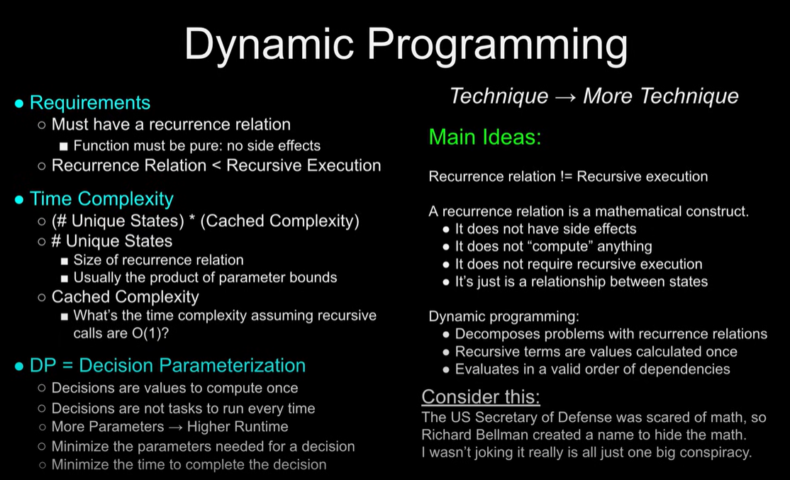
Observation | ------------------------------------------------------------------------------------------------------------------------------------------------------------------------------------------------------------------------------------------------------------------------------- |  | https://youtu.be/gK8KmTDtX8E?si=jFMKGBqnc9SAfxwT

Read the problem statement |  | Statement → Properties
- Reduce to your own words (after reading everything once)
- Read samples |  | Main Ideas:
 |  | - Problem solving is not "pure pattern matching" and you don’t have to rely on just your base intuition and guessing.
Identify key words and phrases |  | - Observation is the heart of problem solving. New problems require careful study of the properties.
- Make concrete definitions |  | - If there are too many properties with too many observations, you will forget them. Write them down so you don’t have to rediscover them.
- What is possible?
- What is not possible? |  | Consider this:
- Rather than Tunnel vision to an approach Revisit as needed |  | - This idea applies to every field. Think about doctors, lawyers, detectives, researchers, even athletes. Anyone who problem solves starts with making observations.

Identify directions of processing
- Does the problem force you to go in a certain direction?
- If any direction is good, which one is simplest or optimal?

Simulation | -------------------------------------------------------------------------------------------------------------------------------------------------------------------------------------------------------------------------------------------------------------------------------

Pick an example and work through it |  | Properties → Structure
- Write out the decision/decisions
- Pick a starting place based on your observations |  | Main Ideas:
- Identify the actions that can be made |  | - Figuring out what technique you need to use does not have to be a guessing game.
- Identify the consequences of each decision |  | - Working with generalized examples builds structure to abstract ideas.
- Simulate enough to gain structure rather than the entire problem. |  | - Instead of guessing the techniques, let the structure and observations reveal it to you.

Replace values with variables |  | Consider this:
- Working with values allows you to study 1 example |  | - Writing proofs is basically just working on examples that are generalized with variables. Realizing this made proving my solutions much more approachable as someone who doesn’t have a strong math background.
- Working with variables allows you to study an entire class of examples

Recursion | Nahi samjha yeh -------------------------------------------------------------------------------------------------------------------------------------------------------------------------------------------------------------------------------------------------------------------------------

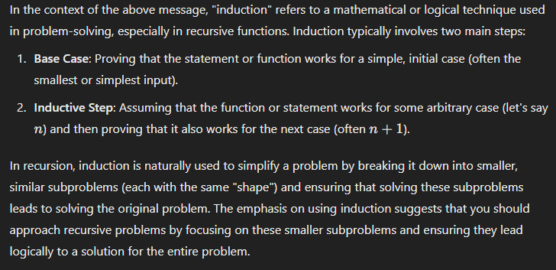
Start with the recurrence relation |  | Structure → Technique
- Base case??? For what problem?
- Actions → Recursive calls |  | Main Ideas:
- Consequences → Transitions |  | - Technique requires a solid understanding of where, why, and how.
- Contributions → Return Value
- Affected variables → Parameters |  | Recursion
 |  | - Where: Subtasks have the same shape
Obey the rules of recursion |  | - Why: To simplify a problem with induction
1. Base cases must be correct |  | - How: Use induction!!!
2. Recursive calls shrink to a base case (check for all variables changed)
3. Assume recursive calls are correct |  | - Do not think more than 1 recurrence down. Name a function on it promises to do. No prints or simulation, just read it aloud!

Build base cases from the calls |  | Consider this:
- Name the function on its promises! |  | - You are one of two types of people: you can read recurrence relations or you are one of two types of people.
- Avoid simulating/visualizing, it's painful
- Recursion is naturally inductive
- Read aloud and see if it makes sense

Dynamic Programming | Nahi samjha yeh -------------------------------------------------------------------------------------------------------------------------------------------------------------------------------------------------------------------------------------------------------------------------------

